PortfolioConstructor
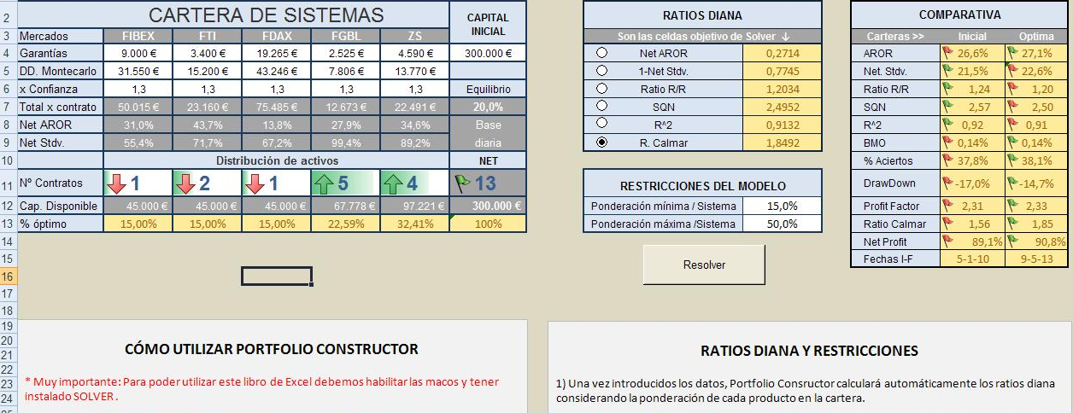

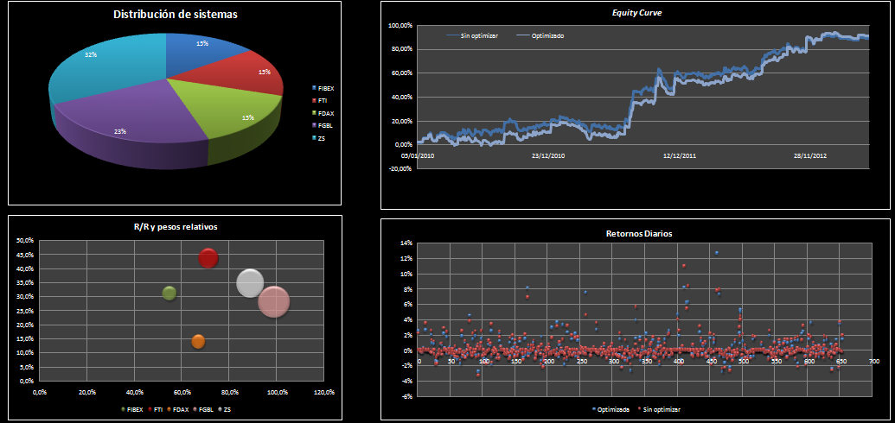

EquityPortFolioArysa
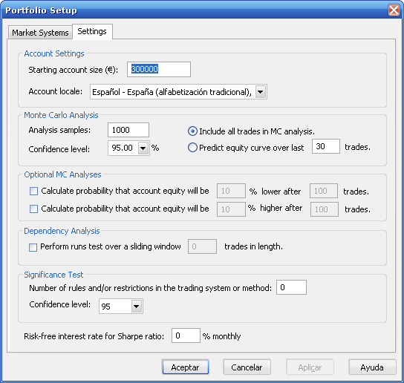
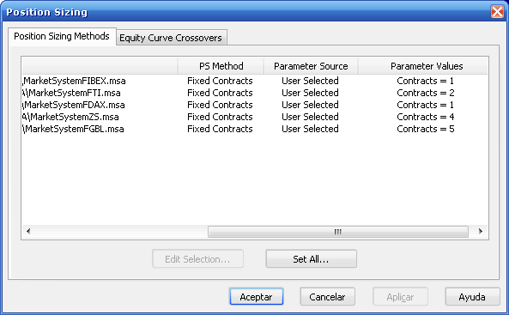

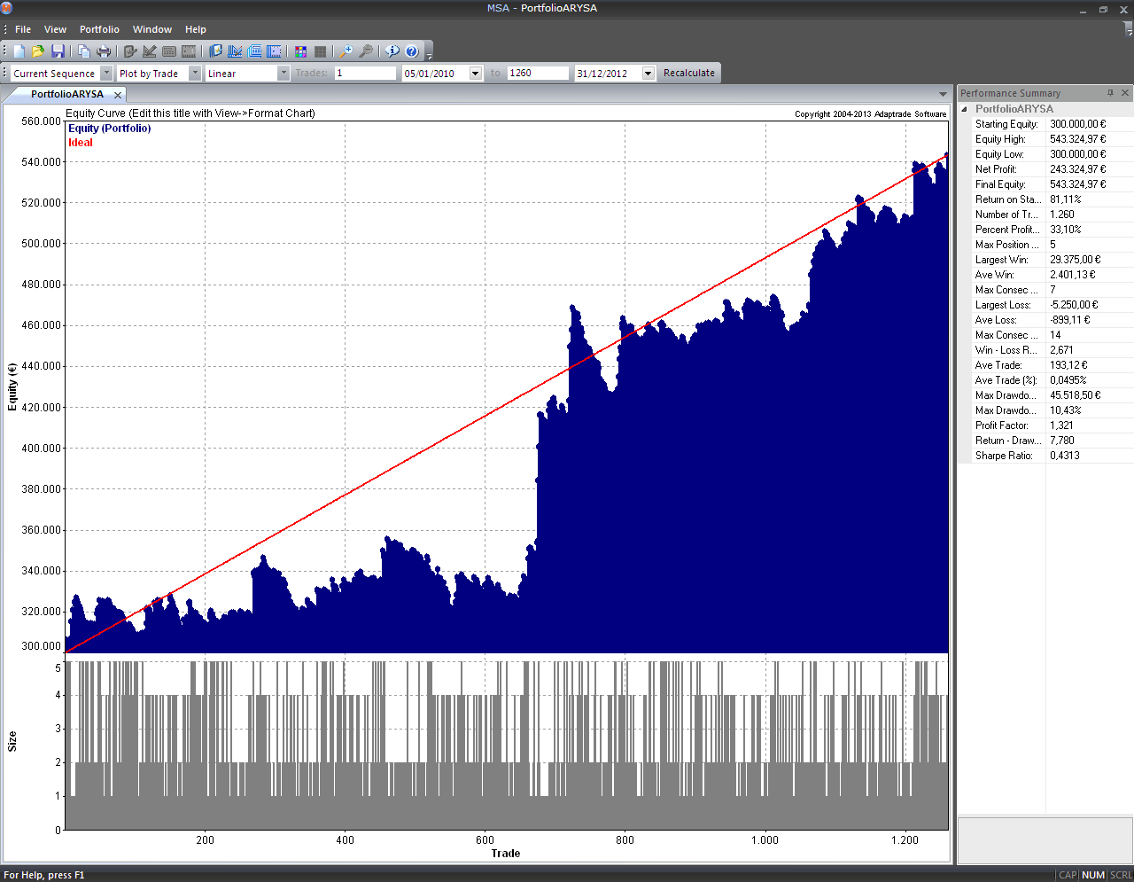

MonteCarlo PortFolio Arysa
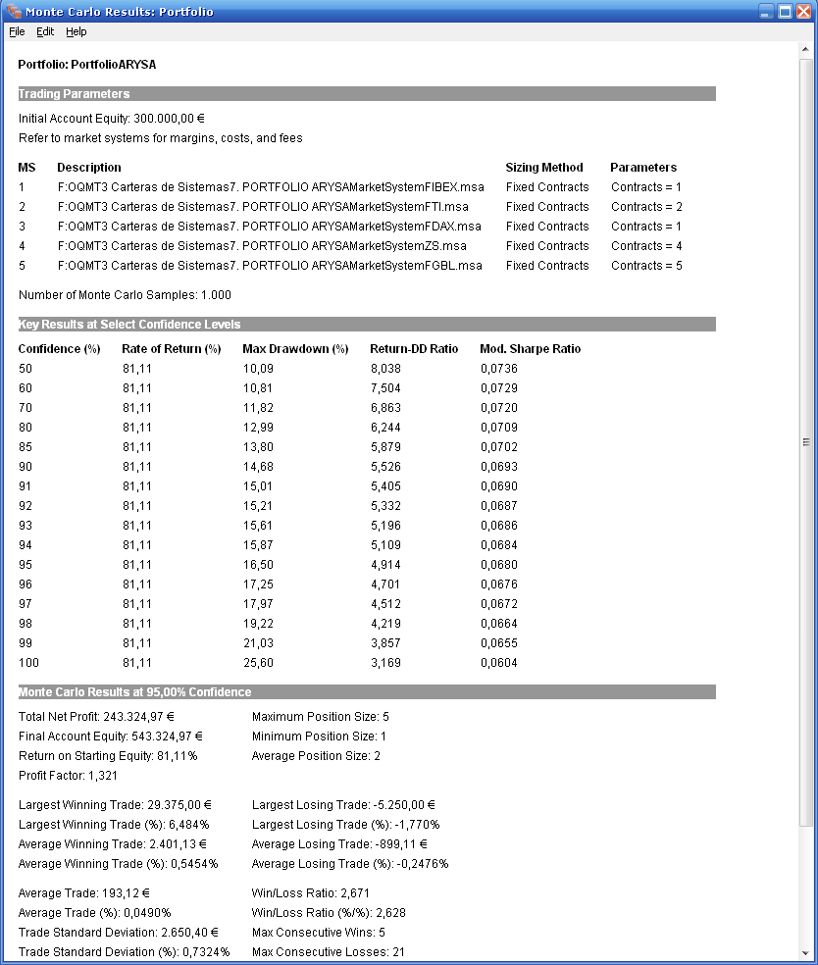
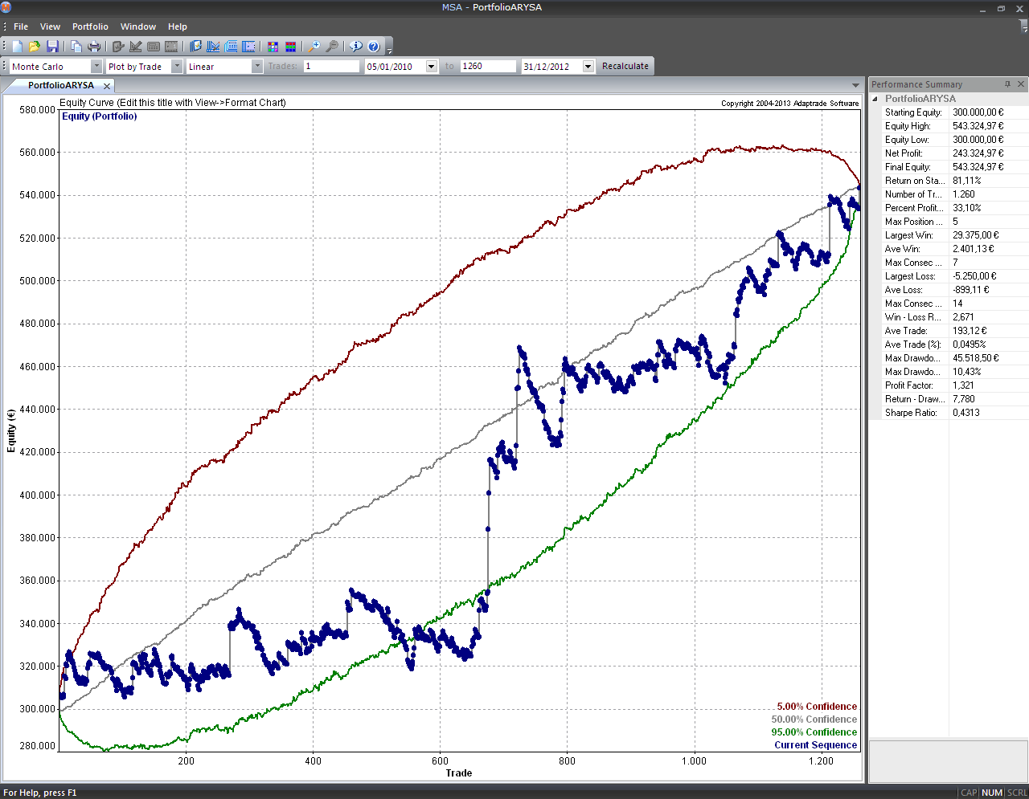

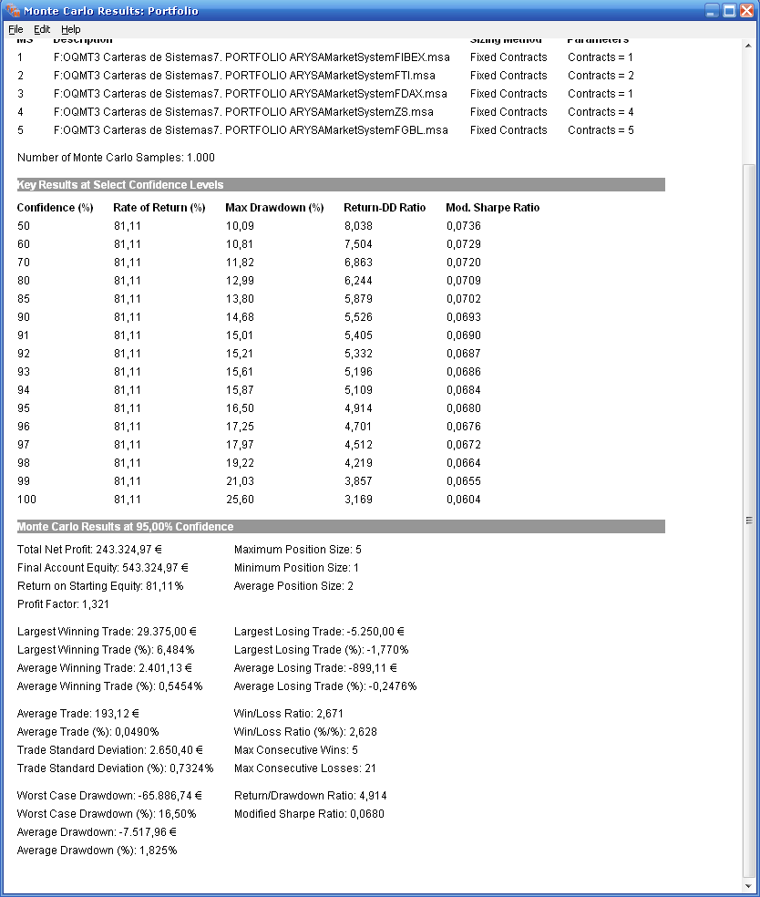
PORTFOLIO: PORTFOLIOARYSA

TRADING PARAMETERS
Initial Account Equity: 300.000,00 ¬
Refer to market systems for margins, costs, and fees

MS | DESCRIPTION | SIZING METHOD | PARAMETERS
1 | F:OQMT3 Carteras de Sistemas7. PORTFOLIO ARYSAMarketSystemFIBEX.msa | Fixed Contracts | Contracts = 1
2 | F:OQMT3 Carteras de Sistemas7. PORTFOLIO ARYSAMarketSystemFTI.msa | Fixed Contracts | Contracts = 2
3 | F:OQMT3 Carteras de Sistemas7. PORTFOLIO ARYSAMarketSystemFDAX.msa | Fixed Contracts | Contracts = 1
4 | F:OQMT3 Carteras de Sistemas7. PORTFOLIO ARYSAMarketSystemZS.msa | Fixed Contracts | Contracts = 4
5 | F:OQMT3 Carteras de Sistemas7. PORTFOLIO ARYSAMarketSystemFGBL.msa | Fixed Contracts | Contracts = 5

Number of Monte Carlo Samples: 1.000

KEY RESULTS AT SELECT CONFIDENCE LEVELS
CONFIDENCE (%) | RATE OF RETURN (%) | MAX DRAWDOWN (%) | RETURN-DD RATIO | MOD. SHARPE RATIO
50 | 81.11 | 10.08 | 8.043 | 0.0737
60 | 81.11 | 10.93 | 7.421 | 0.0729
70 | 81.11 | 11.8 | 6.872 | 0.0719
80 | 81.11 | 12.96 | 6.258 | 0.0707
85 | 81.11 | 13.79 | 5.88 | 0.07
90 | 81.11 | 15.04 | 5.394 | 0.0691
91 | 81.11 | 15.41 | 5.262 | 0.0689
92 | 81.11 | 15.79 | 5.137 | 0.0686
93 | 81.11 | 16.15 | 5.021 | 0.0682
94 | 81.11 | 16.57 | 4.896 | 0.0679
95 | 81.11 | 17.21 | 4.714 | 0.0674
96 | 81.11 | 17.53 | 4.627 | 0.067
97 | 81.11 | 18.25 | 4.445 | 0.0666
98 | 81.11 | 19.07 | 4.254 | 0.0658
99 | 81.11 | 19.89 | 4.078 | 0.0652
100 | 81.11 | 26.83 | 3.024 | 0.0632

MONTE CARLO RESULTS AT 95,00% CONFIDENCE
Total Net Profit: 243.324,97 ¬ | Maximum Position Size: 5
Final Account Equity: 543.324,97 ¬ | Minimum Position Size: 1
Return on Starting Equity: 81,11% | Average Position Size: 2
Profit Factor: 1,321

Largest Winning Trade: 29.375,00 ¬ | Largest Losing Trade: -5.250,00 ¬
Largest Winning Trade (%): 6,470% | Largest Losing Trade (%): -1,787%
Average Winning Trade: 2.401,13 ¬ | Average Losing Trade: -899,11 ¬
Average Winning Trade (%): 0,5433% | Average Losing Trade (%): -0,2474%

Average Trade: 193,12 ¬ | Win/Loss Ratio: 2,671
Average Trade (%): 0,0490% | Win/Loss Ratio (%/%): 2,629
Trade Standard Deviation: 2.650,40 ¬ | Max Consecutive Wins: 5
Trade Standard Deviation (%): 0,7385% | Max Consecutive Losses: 21

Worst Case Drawdown: -66.898,71 ¬ | Return/Drawdown Ratio: 4,714
Worst Case Drawdown (%): 17,21% | Modified Sharpe Ratio: 0,0674
Average Drawdown: -7.510,45 ¬
Average Drawdown (%): 1,821%

Esquema del PortFolio
ESQUEMA DEL PORTFOLIO. BASE MENSUAL

Sistema | ARYSA
Periodo | 2010-2012
Tipo de WF | 2 años-6 meses

Mercado |  | FIBEX | FTI | FDAX | FGBL | ZS | GARANTIAS PORTFOLIO
Nº contratos |  | 1 | 2 | 1 | 5 | 4
Garantías |  | 9,000 | 3,400 | 19,265 | 2,525 | 4,590 | 66,050 €
Este sería el capital mínimo con el que se podría trabajar dicho portfolio en base a tener siempre capital suficiente para trabajarlo con comodidad. Se puede ver cómo este capital es inferior a la suma de los capitales de los sistemas por separado debido al efecto diversificador
Peor Perdida |  | 3,750 | 1,312 | 5,250 | 670 | 1,284 | 20,108 €

Max DD. Montecarlo 95% |  |  |  |  |  |  | 66,899 €

Factor Corrector DD |  | 1.3

Capital Mínimo Portfolio |  | 198,973 € | Redondeamos al alza |  | CAPITAL ESTIMADO |  | 200,000 €

Time Frame
Slipp.+ Com.
Mensuales. Se sacan de la hoja de Estadísticas
Distribución Mensual de Rentabilidades ARYSA PORTFOLIO
Dec-12 | 5,865.53
Nov-12 | 28,552.10
Oct-12 | -12,725.26
Sep-12 | 26,756.47
Aug-12 | 1,166.12
Jul-12 | 31,758.60
Jun-12 | -8,444.39
May-12 | 9,478.50
Apr-12 | 1,040.16
Mar-12 | 11,503.56
Feb-12 | -4,101.10
Jan-12 | -2,741.90
Dec-11 | 7,699.28
Nov-11 | -760.21
Oct-11 | 32,261.04
Sep-11 | 5,347.80
Aug-11 | 62,620.90
Jul-11 | 11,604.70
Jun-11 | 6,170.16
May-11 | -3,225.46
Apr-11 | -2,738.66
Mar-11 | -13,554.06
Feb-11 | -2,685.10
Jan-11 | 2,588.90
Dec-10 | 19,622.02
Nov-10 | -611.06
Oct-10 | 1,986.36
Sep-10 | -8,313.65
Aug-10 | 22,731.45
Jul-10 | -4,467.20
Jun-10 | 2,028.20
May-10 | -1,284.86
Apr-10 | 3,872.99
Mar-10 | 1,174.16
Feb-10 | -2,080.00
Jan-10 | 15,228.88

Clase | Frecuencia | F. Relativa
-13,554 | 1 | 2.78
-8,054 | 3 | 8.33
-2,554 | 6 | 16.67
2,946 | 10 | 27.78
8,446 | 5 | 13.89
13,946 | 3 | 8.33
19,446 | 1 | 2.78
24,946 | 2 | 5.56
30,446 | 2 | 5.56
35,946 | 2 | 5.56
41,446 | 0 | 0.00
46,946 | 0 | 0.00
52,446 | 0 | 0.00
57,946 | 0 | 0.00
63,446 | 1 | 2.78
ARYSA Portfolio
y mayor... | 0
 | 36

Test Profile
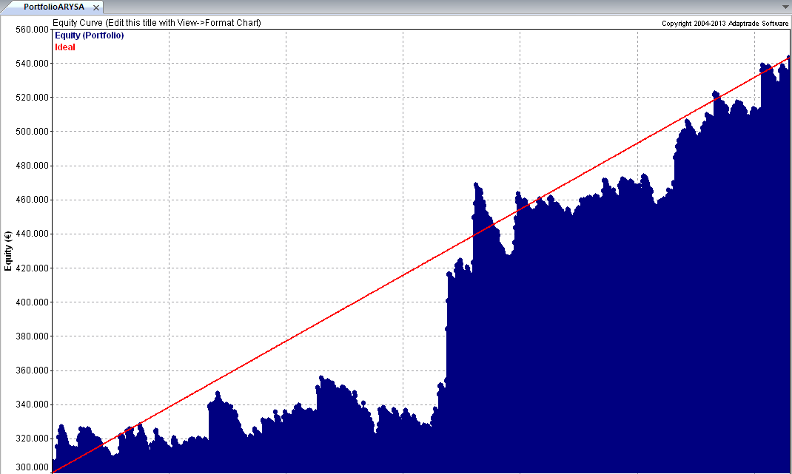
TEST PROFILE :: Descripción

Sistema | ARYSA
Mercados y contratos | FIBEX(1),FTI(2),FDAX(1),FGBL(5),ZS(4) |  | Divisa | €
Periodo WF | 2010-2012 |  | Garantías | 66,050 €
Capital Inicial | 200,000 € |  | Slippage | Incluido
Fecha de construcción y balanceo | 2013-07-07 |  | Comisiones | Incluidas

Test Profile :: Resultados en su divisa

 | Nominal | Banda sup | Banda inf | Max | Min.
Bº anual | 81,108.32 € | 109,484.45 | 52,732.19 | 105,329 € | 49,887 €
Desviacion típica anual | 28,376.13

 | 2010 | 2011 | 2012
Bº Anual | 49,887 € | 105,329 € | 88,108 €

Distribución Mensual de Rentabilidades
 | 5.865,53
Dec-12 | 5,865.53
Nov-12 | 28,552.10
Oct-12 | -12,725.26
Sep-12 | 26,756.47
Aug-12 | 1,166.12
Jul-12 | 31,758.60
Jun-12 | -8,444.39
May-12 | 9,478.50
Apr-12 | 1,040.16
Mar-12 | 11,503.56
Feb-12 | -4,101.10
Jan-12 | -2,741.90
Dec-11 | 7,699.28
Nov-11 | -760.21
Oct-11 | 32,261.04
Sep-11 | 5,347.80
Aug-11 | 62,620.90
Jul-11 | 11,604.70
Jun-11 | 6,170.16
May-11 | -3,225.46
Apr-11 | -2,738.66
Mar-11 | -13,554.06
Feb-11 | -2,685.10
Jan-11 | 2,588.90
Dec-10 | 19,622.02
Nov-10 | -611.06
Oct-10 | 1,986.36
Sep-10 | -8,313.65
Aug-10 | 22,731.45
Jul-10 | -4,467.20
Jun-10 | 2,028.20
May-10 | -1,284.86
Apr-10 | 3,872.99
Mar-10 | 1,174.16
Feb-10 | -2,080.00
Jan-10 | 15,228.88
 | Medio | B.Sup | B.Inf | (+/- 2 Desv.Tipicas)
Bº Mensual | 6,759.03 € | 37,192 € | -23,674 €
Desv.Tipica | 15,216.62 €

 | Medio | B.Sup | B.Inf | (+/- 2 Desv.Tipicas)
Bº Semanal | 1,590.36 € | 19,019 € | -15,838 €
Desv.Tipica | 8,714.17 €

 | Medio | B.Sup | B.Inf | (+/- 2 Desv.Tipicas)
Bº Diario | 298.83 € | 7,370 € | -6,772 €
Desv.Tipica | 3,535.61 €

Test Profile :: Estadísticas por Negocio

 | Media | Max | Min.
Número de Negocios por Año | 420 | 454 | 376
Número Total Negocios | 1,260
Fiabilidad | 33% | 34% | 32%

Negocio Medio | 193.12 | (Incluido Slippage y Comisiones)
Desviación típica | 2,650.40
Bandas de Negocio(Media+/- 3 Desv.) | 193.12 | 8,144.32 | -7,758.08

Arysa Portfolio
-13,554 | 2.78
-8,054 | 8.33
-2,554 | 16.67
2,946 | 27.78
8,446 | 13.89
13,946 | 8.33
19,446 | 2.78
24,946 | 5.56
30,446 | 5.56
35,946 | 5.56
41,446 | 0.00
46,946 | 0.00
52,446 | 0.00
57,946 | 0.00
63,446 | 2.78
Mejor Negocio | 29,375.00
Media Negocios ganadores | 2,401.13
Max. Nº Negocios Ganadores Consecutivos | 7

Peor Negocio | -5,250.00
Media Negocios perdedores | -899.11
Max. Nº Negocios Perdedores Consecutivos | 14

Drawdowns
 | Media | C. Max Eur | C. Max %
DrawDown Medio | -9,313.66 | -8,889.59 | -8,889.59
DrawDown Medio (en% Equity) | 2.28% | 2.10% | 2.10%
Número de diás en DD | 177 dias | 177 dias | 177 dias
Número de Negocios en DD | 218 | 218 | 218

Riesgo máximo Montecarlo (al 95%) | -66,899 € | 17.21%

Ratios Básicos | Medio

Ratio SQN | 2.59
Win/Loss | 2.67
Profit Factor | 1.32
Sharpe Ratio (mensual) | 0.43
Modified Sharpe Ratio | 0.07
Esperanza matemática | 0.22

